Sheet1
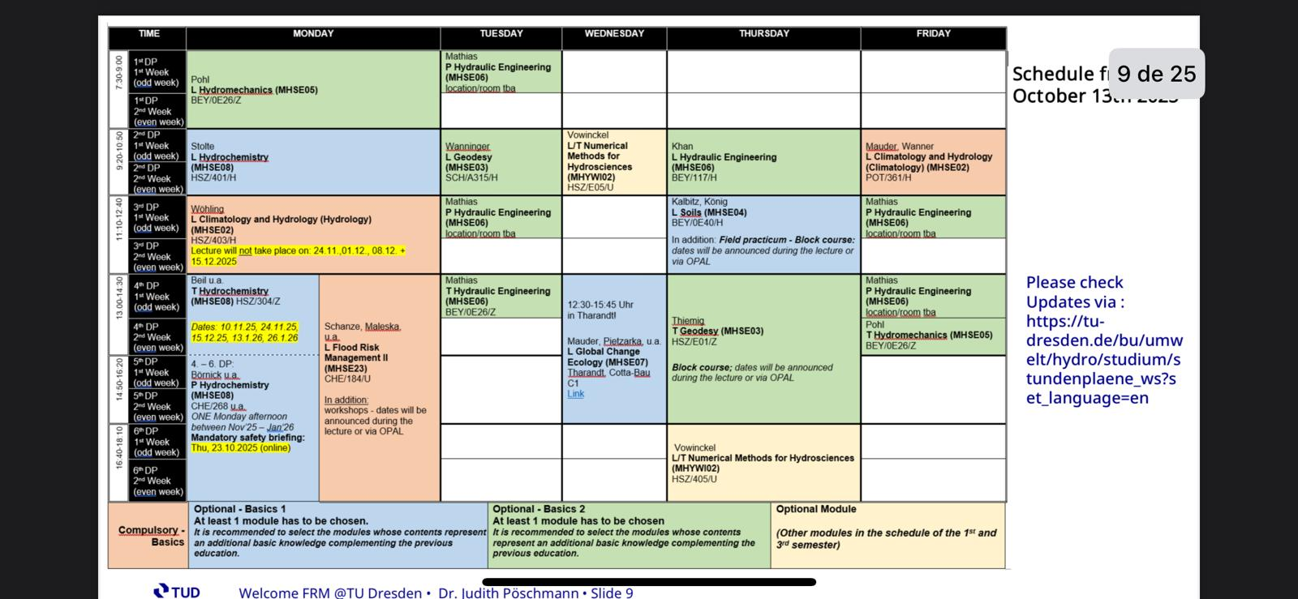
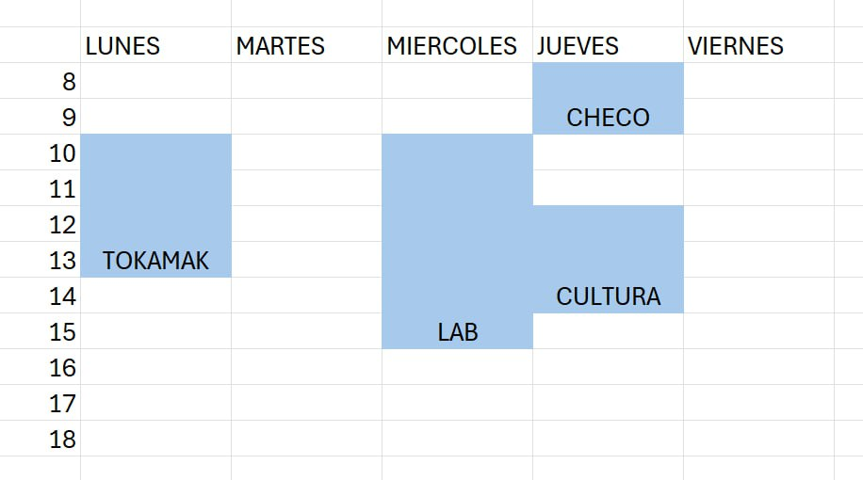
 | Lunes | Martes | Miércoles | Jueves | Viernes
7:00 - 9:00 |  | HE. Lab

9:20-10:50 | Hydrochemistry (HSZ/401) |  | Numerical Methods for Hydrosciences | Hydraulic Engineering | Climatology and Hydrology (Hydrology)

11:10-12:40 | Climatology and Hydrology (Hydrology) (HSZ/403) | HE Lab | German Language Course |  | HE Lab

13:00-14:30 | Flood Risk Management | HE Tut | German Language Course |  | Machine Learning for the Natural Sciences (ASB/328)

14:50-16:20 | Flood Risk Management

16:40-18:10 | Flood Risk Management |  | ML4NS (SE2/201) | Numerical Methods for Hydrosciences

